
 |  |  |  | CODE: |  |  | pl1066 ab SN from 00E000
DESCRIPTION: |  | SQUEEGEE PEDAL |  | PEDAL | PEDALE SQUEEGEE | PEDAL SQUEEGEE | PEDALE SQUEEGEE
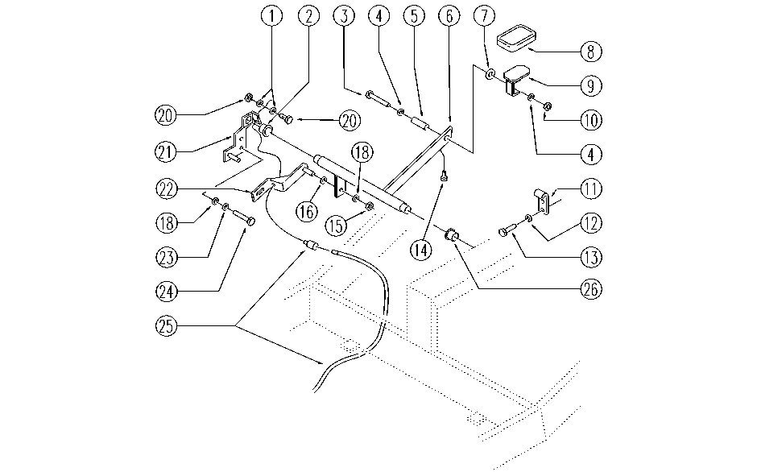

REF. | CODE | DESCRIPTION | QT
1 | E88091 | Washer | 2
2 | E89268 | Bushing | 1
3 | E86705 | Screw TE M 6-30 | 1
4 | E86707 | Cham Washer D10 | 2
5 | E89278 | Spacer | 1
6 | SL09738 | LEVER | 1
7 | E89279 | Washer | 1
8 | E89419 | Rubber Shim | 1
9 | SL09741 | TREADLE | 1
10 | E86875 | Self-Locking Nut | 1
11 | SL09740 | BLOCK | 1
12 | SL06016 | WASHER | 2
13 | SL04223 | SCREW | 2
14 | SL14309 | RUBBER | 1
15 | E86853 | Nyloc Hex Nut, M8 Zinc | 1
16 | E86881 | Washer | 1
18 | E86726 | Washer | 3
20 | SL14212 | CLAMP | 1
21 | E86851 | Plate | 1
22 | E87878 | Plate AS36/WS36T | 1
23 | E86702 | Cham Washer D8 | 2
24 | E89194 | Screw | 2
25 | E86818 | Squeegee Wire Lift | 1
26 | E89403 | Bushing | 1

